Pre-Analysis Board
Category 1: Independent Values
Retailer
Retailer ID
Invoice Date
Region
State
City
Beverage Brand
Days to Deliver
Delivery Company
Price per Unit
Category 2: Dependent Values
Units Sold
Total Sales
Operating Margin
Operating Profit
Potential Analysis & Questions
1. Retail Sales Performance by Retailer
2. Regional Profitability Analysis
3. State-Wise Sales Distribution
4. Annual Sales & Profit Trends
5. Beverage Brand Performance by Units Sold
6. Top 5 Most Profitable Cities
7. Delivery Efficiency by Delivery Company
8. Price vs. Profitability Analysis
9. Sales and Profit Seasonality Trends
10. Market Share of Beverage Brands

Industry Type of Data
Beverage Industry (Soft Drinks & Non-Alcoholic Beverages)
Retail & Distribution
Story of the Data
This dataset captures Coca-Cola’s sales and profit performance across different retailers, regions, and beverage brands in 2022. It provides insights into sales volume, revenue, profitability, and delivery efficiency to help optimize business strategy.
Stakeholders of the Project
CEO
Executive Directors
Sales Managers
Marketing Teams
What Success means to the Industry
Success in the beverage industry means increasing market share, maximizing profitability, ensuring efficient supply chain operations, strengthening retail partnerships, and aligning product availability with consumer demand.
Potential Insights
High-Profit Beverages: Certain beverage brands generate significantly higher profits, while others may require pricing adjustments or promotional strategies.
Regional Sales Trends:
Some regions consistently outperform others in sales, indicating potential markets for expansion or increased marketing efforts.
Retailer Concentration:
A small percentage of retailers may account for a large portion of total revenue, presenting opportunities for exclusive partnerships or loyalty incentives.
Price Sensitivity:
Assessing price per unit alongside sales volume can provide insights into how pricing impacts demand across different regions and retailers.

Retailers
Retailer | Sum of Total Sales
Walmart | $4,403,630
CVS | $2,115,588
Costco | $1,291,535
Target | $404,413
Grand Total | $8,215,165

Region
Region | Sum of Operating Profit
West | 790.52K
Southeast | 641.55K
Northeast | 629.55K
South | 542.05K
Midwest | 437.47K
Grand Total | 3.04M

Annual Trend
Month | Sum of Total Sales | Sum of Operating Profit
Jan | 491.33K | 177.69K
Feb | 465.78K | 168.75K
Mar | 459.81K | 167.60K
Apr | 468.83K | 169.80K
May | 643.87K | 239.43K
Jun | 843.10K | 314.96K
Jul | 969.64K | 364.56K
Aug | 888.45K | 334.41K
Sep | 651.03K | 240.49K
Oct | 595.36K | 218.66K
Nov | 753.29K | 278.43K
Dec | 984.70K | 366.35K
Grand Total | 8.22M | 3.04M

Beverage Brand Units Sold
Beverage Brand | Sum of Units Sold
Coca-Cola | 3989000
Dasani Water | 2890500
Diet Coke | 2872000
Sprite | 2588500
Fanta | 2100000
Powerade | 2042500
Grand Total | 16482500

Top 5 Cities by Profit
Region | Sum of Total Sales
New York | 391.8K
San Francisco | 331.8K
Miami | 319.0K
Portland | 314.1K
Charleston | 309.2K
Grand Total | 1.67M

In-Analysis Board
In-Analysis Observations
Retailer Sales Contribution
Walmart dominates sales with $4.4M, nearly double that of the second-highest retailer, CVS ($2.1M). The top four retailers (Walmart, CVS, Costco, and Target) collectively account for $8.2M in total sales, showing a concentration of revenue among a few key retailers.
Regional Profitability Trends
The West region leads in profitability at $790K, followed by the Southeast ($641K) and Northeast ($629K). The Midwest has the lowest profit ($437K), indicating potential challenges in this region.
Beverage Brand Performance
Coca-Cola leads in unit sales (3.98M), followed by Dasani Water (2.89M) and Diet Coke (2.87M). Powerade has the lowest unit sales (2.04M), indicating lower demand or distribution.
Monthly Sales & Profit Trends
December is the peak sales month ($984.7K) and also has the highest profit ($366.3K), likely due to holiday season demand. Sales drop significantly from July ($969.6K) to October ($595.3K), indicating a mid-year slump. May to August sees strong sales and profit, highlighting a potential seasonal trend.
In-Analysis Insights & Recommendations
Retailer Diversification Strategy
Reduce over-reliance on Walmart by strengthening relationships with smaller retailers. Introducing incentives for Target and Costco could help balance sales distribution.
Category & Profitability Optimization
Increase marketing efforts in the Midwest to boost profitability. Identifying reasons for lower profit (e.g., distribution challenges, competition) could help improve performance.
Beverage Portfolio Strategy
Increase marketing and visibility of lower-performing brands (e.g., Powerade) to drive sales growth. Optimize inventory allocation based on sales performance, prioritizing Coca-Cola, Dasani Water, and Diet Coke in high-demand regions.
Seasonal Sales Optimization
Capitalize on peak sales months (May–December) by ramping up advertising and inventory management to meet demand. Introduce targeted discounts and promotions in slow months (February–April) to stabilize sales.

Dashboard
Sales & Profit
Performance Report
2022
Retailers Performance by Sales
Regional Performance by Profit
Sales Distrubition by State

 | Total
Walmart | $4,403,630
CVS | $2,115,588
Costco | $1,291,535
Target | $404,413
 | Total
West | 790.52K
Southeast | 641.55K
Northeast | 629.55K
South | 542.05K
Midwest | 437.47K

Dashboard
Recommendations

Total Sales
Total Profit
$8,215,165.00
$3,041,141.88

Annual Trend by Sales & Profit

 | Sum of Total Sales | Sum of Operating Profit
Jan | 491.33K | 177.69K
Feb | 465.78K | 168.75K
Mar | 459.81K | 167.60K
Apr | 468.83K | 169.80K
May | 643.87K | 239.43K
Jun | 843.10K | 314.96K
Jul | 969.64K | 364.56K
Aug | 888.45K | 334.41K
Sep | 651.03K | 240.49K
Oct | 595.36K | 218.66K
Nov | 753.29K | 278.43K
Dec | 984.70K | 366.35K
Total Units Sold
Avg. Delivery Days

16,482,500
37
Brand Performance by Operating Margin & Units Sold

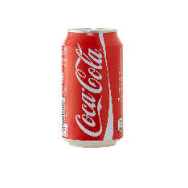
Avg. Operating Margin
Units Sold

39%
3,989,000
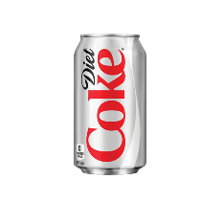
Avg. Operating Margin
Units Sold

35%
2,872,000
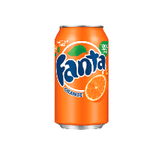
Avg. Operating Margin
Units Sold
37%
2,100,000
Top 5 Cities by Sales
Beverage Brand by Units Sold

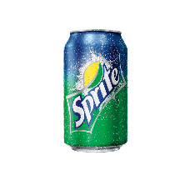
Avg. Operating Margin
Units Sold
 | Total
New York | 391.8K
San Francisco | 331.8K
Miami | 319.0K
Portland | 314.1K
Charleston | 309.2K
 | Total
Coca-Cola | 3989000
Dasani Water | 2890500
Diet Coke | 2872000
Sprite | 2588500
Fanta | 2100000
Powerade | 2042500

35%
2,588,500
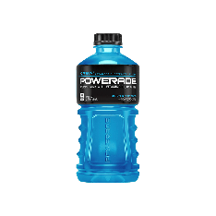
Avg. Operating Margin
Units Sold

36%
2,042,500

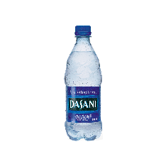
Avg. Operating Margin
Units Sold

38%
2,890,500

Final Observation & Recs
Analysis Observations
Retailer Sales Contribution
Walmart dominates sales with $4.4M, nearly double that of the second-highest retailer, CVS ($2.1M). The top four retailers (Walmart, CVS, Costco, and Target) collectively account for $8.2M in total sales, showing a concentration of revenue among a few key retailers.
Regional Profitability Trends
The West region leads in profitability at $790K, followed by the Southeast ($641K) and Northeast ($629K). The Midwest has the lowest profit ($437K), indicating potential challenges in this region.
Beverage Brand Performance
Coca-Cola leads in unit sales (3.98M), followed by Dasani Water (2.89M) and Diet Coke (2.87M). Powerade has the lowest unit sales (2.04M), indicating lower demand or distribution.
Monthly Sales & Profit Trends
December is the peak sales month ($984.7K) and also has the highest profit ($366.3K), likely due to holiday season demand. Sales drop significantly from July ($969.6K) to October ($595.3K), indicating a mid-year slump. May to August sees strong sales and profit, highlighting a potential seasonal trend.
Analysis Insights & Recommendations
Retailer Diversification Strategy
Reduce over-reliance on Walmart by strengthening relationships with smaller retailers. Introducing incentives for Target and Costco could help balance sales distribution.
Category & Profitability Optimization
Increase marketing efforts in the Midwest to boost profitability. Identifying reasons for lower profit (e.g., distribution challenges, competition) could help improve performance.
Beverage Portfolio Strategy
Increase marketing and visibility of lower-performing brands (e.g., Powerade) to drive sales growth. Optimize inventory allocation based on sales performance, prioritizing Coca-Cola, Dasani Water, and Diet Coke in high-demand regions.
Seasonal Sales Optimization
Capitalize on peak sales months (May–December) by ramping up advertising and inventory management to meet demand. Introduce targeted discounts and promotions in slow months (February–April) to stabilize sales.

Sales & Profit
Performance Report
2022

Dashboard
Recommendations

